Break-Even Analysis
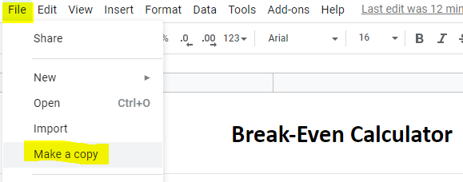
Break-Even Calculator
Click Loadsmart.com/carriertms to learn more about the truck management system built by carriers for carriers.
Revenue | $34,200.00
Miles | 12000
Rate per Mile | $2.85

Variable Cost Per Mile | Expense Per Mile
Driver Pay | $0.62 | ⬆⬆⬆ Make a copy of this document and save to your Google Drive in order to be able to edit.
Fuel | $0.73
Maintenance | $0.10
Tolls and Permits | $0.05
Other Cost | $0.10
Total Variable Cost Per Mile: | $1.60
Total Variable Expense: | $19,200.00

Fixed Cost Per Month | Amount
Truck Payment | $3,000.00
Trailer Payment | $1,000.00
Insurance | $1,500.00
Parking Rent | $300.00
Dispatch Pay | $1,000.00
Truck Registration and HUT | $500.00
Other | $2,000.00
Total Fixed Cost Per Mile: | $0.78
Total Fixed Cost: | $9,300.00

Total Expenses Per Month | $28,500.00
Net Profit Per Month | $5,700.00
Net Profit Per Mile | $0.48

Break-Even Miles | 7440
Break-Even Miles means after this number of miles are driven, all further miles are profit for that month.

